Test Cases - Funtional
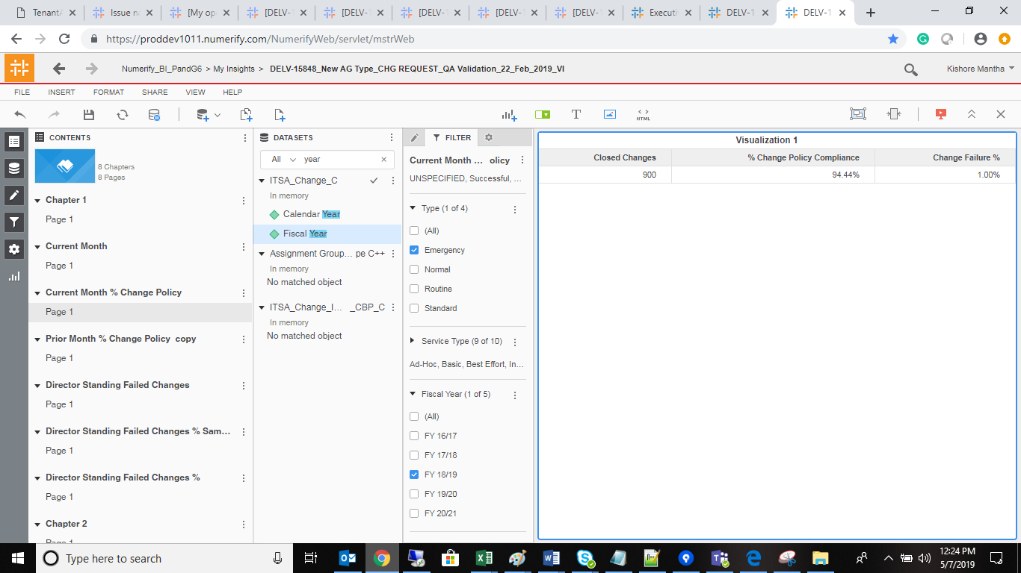
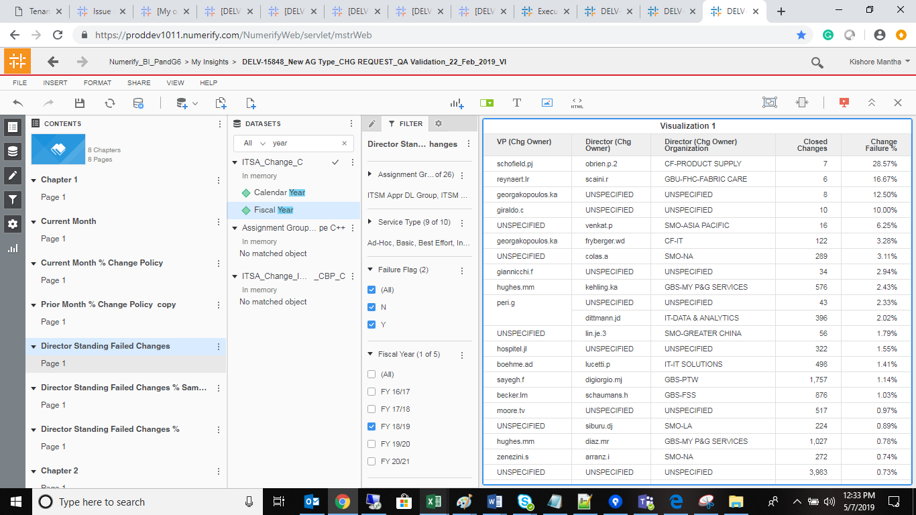
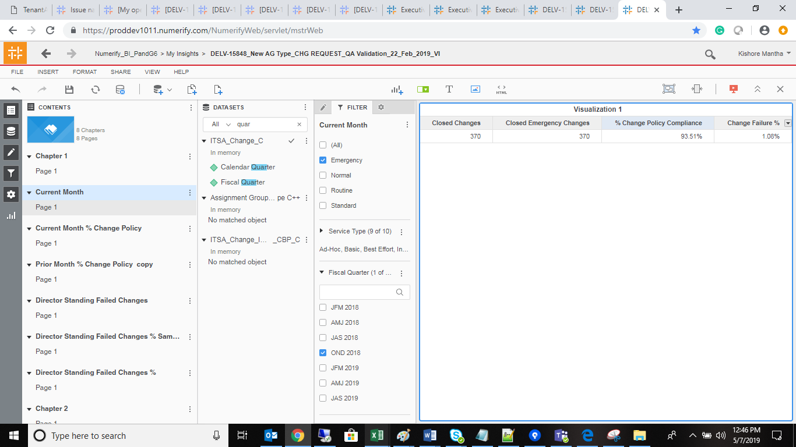
INDEX

TC_No | Test Case | Test Description | Expected Result | Actual Result | Result | Defect JIRA # | Comments
1 | DELV-16840 | P&G: CR 269: - Application Tracker: IT Data asset privacy compliance | RITA_Application_Privacy_Risk_c cube should be available |  | Pass

